Selection project
BCG Utility Analysis | Edit in yellow

Average CTC (salary) for the job | R500,000.00 | Annual salary
Complexity of job (20% low, 30% medium, 40% high) | 0.4 | This is an estimate (the 40% rule) and can be validated with actual performance data
Standard deviation of job performance (40% rule) | R200,000.00

Correlation coeficcient (predictor to criterion) | 0.5 | How valid is your predictors? Use estimates and sensitivity analysis in the beginning. Would need to validate against criterion data to confirm

Number of applicants | 15 | The number who applied and went through the selection process
Number selected | 2 | The number selected
Selection ratio | 0.13333333333 | The above expressed as a %
Estimated Z scores of selected group | 1.61 | This is an estimated cutoff, based on the selection ratio and the assumption that performance is normally distributed (see graph below).

Cost per candidate (for selection) | R10,000.00 | The total cost of the selection element you are analysing.
Expected tenure | 3 | Sometimes assessment costs cancel out gains in value if the hired candidate leaves within a year, however if candidate stays 2 years or more the increases build up significantly

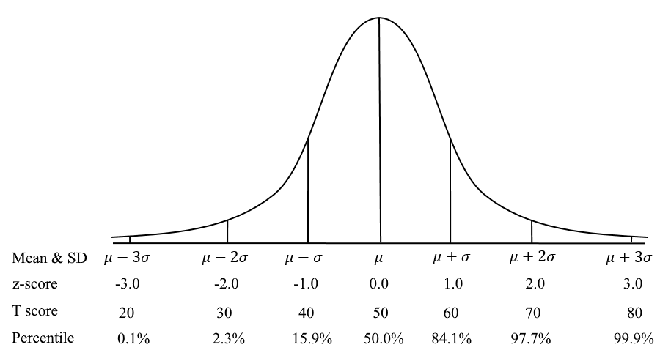
Estimated value of the hired employee(s)
Estimated value of candidate | R661,455.23
Employment costs as % of employee value | 76%
Net Value of candidate (Total value - CTC) | R161,455.23
Candidate quality compared to average | 32%
Estiomated value of the selection intervention:
Average cost of selection per selected candidate | R75,000.00
Total cost of the selection intervention | R150,000.00
Utility of selection intervention (The difference between the gain in value (criterion expressed in monetar terms) and cost of the intervention) | R409,365.69
ROI of selection intervention | 273%

